Hiearchy View
CLASS: TEST IMPAIRMENT
basic analog tests to isolate faults and to qualify circuits for voice, data or broadcast transmission at frequencies |  | 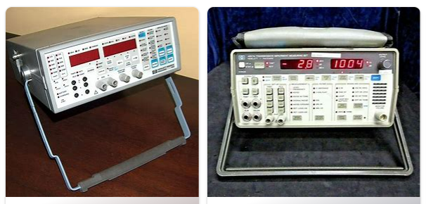
REMOVE | N

PROBLEM_DESC | CAUSE_DESC | REMEDY_DESC
BROKEN/DAMAGED
NOISE
OTHER PROBLEM
OVERHEATING
POWER-ELEC
STOPPED/SLOWED/POOR OPS
TEMP-CTRL
VIBRATION
Grand Total

